Sheet1
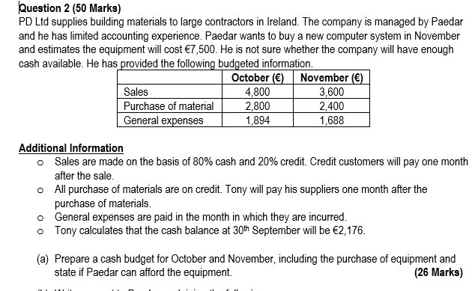

 |  |  | October | November | December | As per this question (Information will differ by Question)
 |  | Cash Inflow
 |  | Sales - Cash |  | 2,880 |  | 80% of our sales are paid in cash in the same month
 |  | Sales - Credit |  | 960 | 720 | 20% of our sales paid one month later (i.e. Sales in October paid in Cash in November)

 |  | Total Inflow |  | 3,840

 |  | Cash Outflow
 |  | Purchase of Materials |  | 2,800 | 2,400 | All on credit & paid one month later (i.e. October purchases paid in November)
 |  | General Expenses |  | 1,688 |  | Paid in the month they occur (i.e. Occurred in November - We pay for them in November)
 |  | Equipment |  | 7,500

 |  | Total Cash Outflow |  | 11,988

 |  | Net Cash In/Out Flow |  | -8,148 |  | More cash leaving the business than coming in during November
 |  | Opening Cash Balance |  | 2,322 | -5,826 | Our Closing October Cash Balance
 |  | Closing Cash Balance | 2,322 | -5,826 |  | If negative - we can't afford investment
 |  |  |  |  |  | If positive - we can afford the investment
We are doing a Cash Budget - key thing to us is when the cash physically hits our bank account.

Is there a cash or a credit impact? When are the credit sales paid?

Cash Inflow: | Cash Outflows
Sales | Purchase of Materials
 | General Expenses
 | Equipment

Sheet3
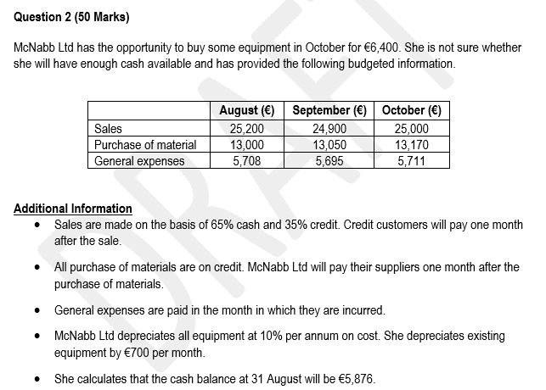

 | September | October
Cash Inflow
Sales - Cash | 16,185 | 16,250
Sales - Credit | 8,820 | 8,715

Total Inflow | 25,005 | 24,965

Cash Outflow
Purchase of Materials | 13,000 | 13,050
General Expenses | 5,695 | 5,711
Equipment | 0 | 6,400

Total Cash Outflow | 18,695 | 25,161

Net Cash In/Out Flow | 6,310 | -196
Opening Cash Balance | 5,876 | 12,186
Closing Cash Balance | 12,186 | 11,990

Recommend the investment as positive cash position

Sheet2
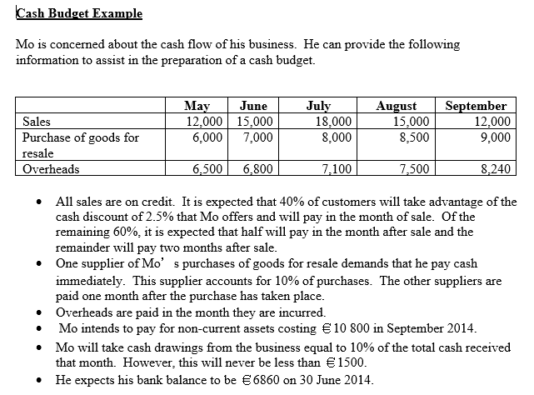
 |  |  |  | 60% of Sales paid after month
 |  |  |  | Half one month later (Half of 60% is 30%)
 |  |  |  | Other half 2 months later (i.e. remaining 30%)
 | July | August | September | July | August | September
Cash Inflow
Sales - Paid in month | 7,200 | 6,000 | 4,800 | July Sales | August Sales | September Sales
Sales - Paid one month later | 4,500 | 5,400 | 4,500 | June Sales | July Sales | August Sales
Sales - Paid two months later | 3,600 | 4,500 | 5,400 | May Sales | June Sales | July Sales

Total Inflow | 15,300 | 15,900 | 14,700

Cash Outflow |  |  |  | July | August | September
Purchases - Paid in Month | 800 | 850 | 900 | July Purchases | August Purchases | Sept Purchases
Purchases - Paid one month later | 6,300 | 7,200 | 7,650 | June Purchases | July Purchases | August Purchases
Overheads | 7,100 | 7,500 | 8,240 | July Overheads | August Overheads | Sept Overheads
Investment - Non Current Assets | 0 | 0 | 10,800

Total Outflow | 14,200 | 15,550 | 27,590

Net Cash In/Outflow | 1,100 | 350 | -12,890
Opening Balance | 6,860 | 7,960 | 8,310
Closing Balance | 7,960 | 8,310 | -4,580 | Negative Cash Position - do not invest

